Planilha1
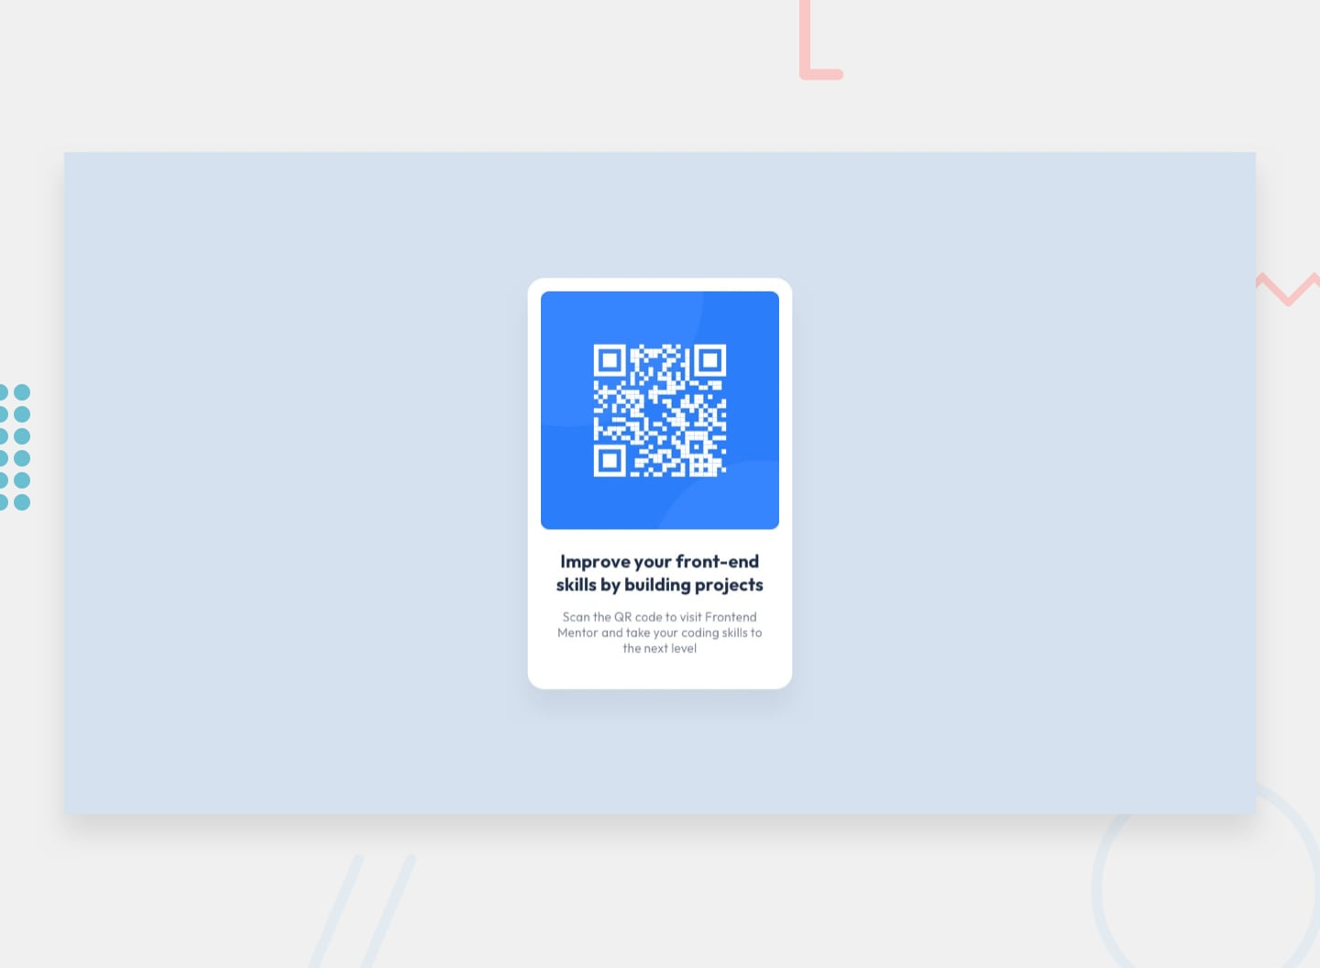
01 - QR Code Component | https://www.frontendmentor.io/challenges/qr-code-component-iux_sIO_H

